EqEval
Equity Evaluation

Prepared For:

Edward and Jennifer Lopes

2909 Greenfield Road

Glenshaw PA 15116

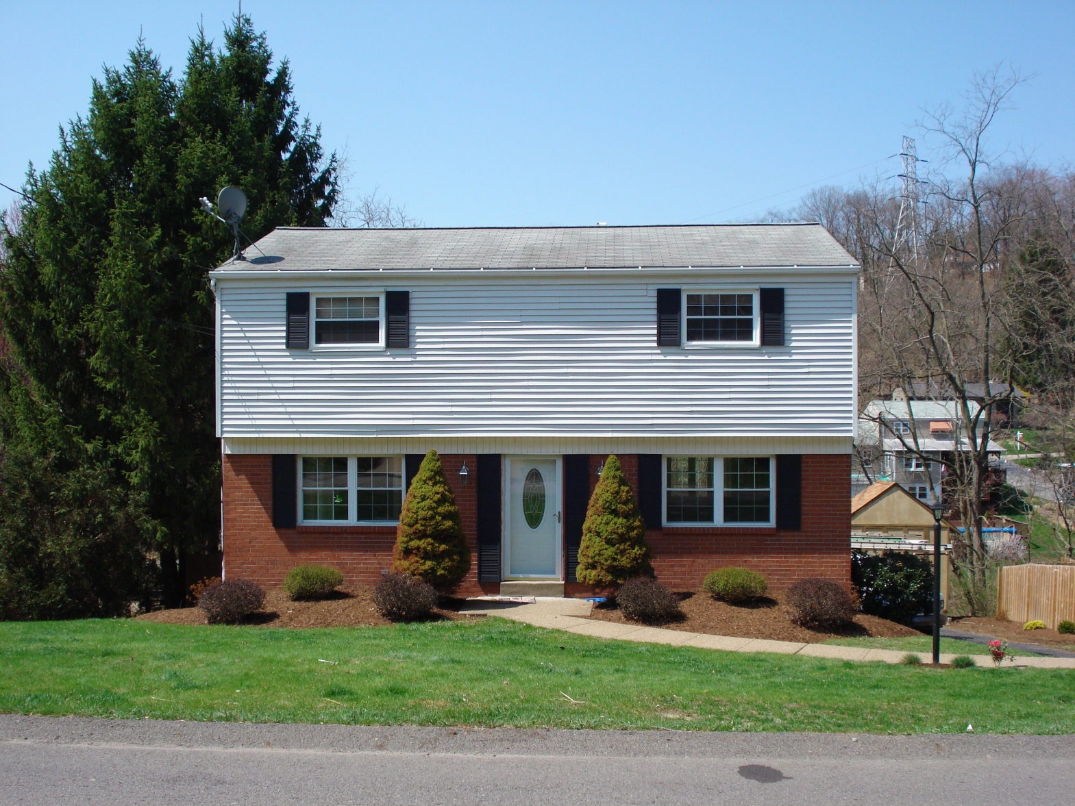

Evaluation Range: $160,000-$165,000

Target Price: $165,000

Matthew McKenna, March 26th 2014

PrEval
Equity Evaluation

Prepared For:

Edward and Jennifer Lopes

2909 Greenfield Road

Glenshaw PA 15116

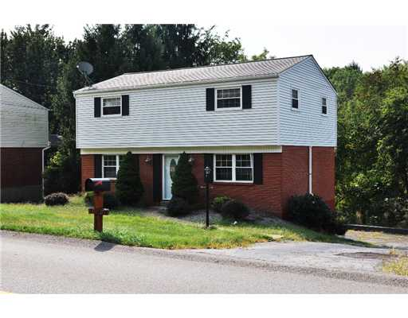

Price: $165000

Matthew McKenna, March 26th 2014

Comparable1
 | Equity Evaluation

 | Comparable Market Analysis (CMA)

Definition:

The CMA is an analysis of other homes in the area that have comparable characteristics to the subject property.

Criteria:

For our CMA's, we generally use the following criteria:

1. Active, Contingent, Under Agreement, Sold Homes (ASCU)
2. School District
3. Number of Bedrooms
4. Number of Bathrooms
5. Homes that have been on the market in the past year (12 months)

I apply the criteria listed above to produce a selection of homes that compare very closely to the subject property. On the following pages you will find a summary of the important results of our research, an MLS page for each of the comparable homes selected for our analysis, and statistical data categorized by the Active, Contingent, Under Agreement, and Sold statuses.

Process:

First I identify the geographical area from which to select comparable homes. Depending on the market in the area, I may either choose to limit the geography to an area closer to the subject property because there is so much activity, or broaden the area because of a lack of activity. Once the area is determined, I search for comparable homes based on a few key criteria such as the number of bedrooms and bathrooms.

I look first at homes that are Active or Contingent, since they best represent the competition our property faces. Once I have a good understanding of the competition, I look at homes that have been Sold or are Under Agreement. These homes provide the best evidence of what homes are selling for in the area, and weigh much heavier than the active homes in determining a list price.

2909 Greenfield Road Analysis:

For 2909 Greenfield Road, we included all the Active and Sold homes in the area with comparable features. We analyzed more closely the Sold comparables to determine the characteristics that "sell" in Shaler Twp, and at what price. 2909 Greenfield's distinctive features include the finished lower level, a large master bedroom with master bathroom, and an oversized garage. Looking at the sold homes in Shaler, none of them have all of the updates that you have done to this home. Some of them have older features that will need updating soon. Looking at the houses priced below your home, they almost always need the updates that you have already done.

Research Results:

1. The average sales price in Shaler is $143,218, but the average home in Shaler does not have a finished lower level or a flat back yard.
2. 2909 Greenfield has superior features to homes that are listed well above its list price of $165,000.
3. No home below $165,000 compares to Greenfield when considering the finished lower level, large bedrooms, and 3 updated bathrooms.

Matthew McKenna, March 26th 2014

Comparable
Equity Evaluation

Prepared For:

Edward and Jennifer Lopes

2909 Greenfield Road, Glenshaw PA 15116

Comparable Market Analysis

Criteria Used for Report: | ASCU, 3 Bedrooms, 2 Bathrooms, Any Price, Past Year Sales

Average Days on Market: |  | 142

Average List Price: |  | $140,535

Average Sold Price: |  | $143,218

Average Asked to Sold Ratio: |  | 96.0%

Units Sold in Last Year: |  | 35

Units on the Market: |  | 6

Absorption Rate* (Months): |  | 2.06

2909 Greenfield Road Price Range: |  | $160,000 - $165,000

Research Results:

1. The average sales price in Shaler is $143,218, but the average home in Shaler does not have a finished lower level or a flat back yard.
2. 2909 Greenfield has superior features to homes that are listed well above its list price of $165,000
3. No home below $165,000 compares to Greefield when considering the finished lower level, large bedrooms, and updates to the home.

* Absorption Rate: at the current market rate of sales, the average number of months it would take for all active listing inventory to be sold.

Matthew McKenna, March 26th 2014

Neighborhood1
 | Equity Evaluation

 | Neighborhood Appreciation/Depreciation Analysis

Definition:

The Neighborhood Appreciation/Depreciation Analysis assesses multiple past sales in a subdivision, on adjoining streets, or in a several-block radius of the subject property to determine the average annual appreciation or depreciation in property values in the area.

Criteria:

For this research, I look at homes in the neighborhood that have sold at least two times within the past twelve years. I try to find at least three homes for comparison.

Process:

Appreciation or depreciation is defined as a change in value over time, and can be due to a number of factors such as new roadways, new access to shopping centers, or a change in the average price of homes being built in the area. To arrive at an annual percentage increase or decrease, I look at several homes that have sold at least twice in the past ten years. I compare the two sale prices and sale dates to arrive at an estimate of the change in each home's market value. I then apply the average annual change in value for all the homes sampled to estimate a change in value for the subject property since the date it was purchased.

Research Results:

1. The average annual change in value for homes that have sold at least twice in the past twelve years.
2. An estimated value for the subject property.

Matthew McKenna, March 26th 2014

Technical1
 | Equity Evaluation

 | Technical Analysis

Definition:

The Technical Analysis calculates a percentage ratio of the assessed values of a sample of homes to the prices at which they sold, and applies that ratio to the subject home's assessed value to estimate a sale price for the home.

Criteria:

I select a sample of comparable homes in the area of the subject property that have sold within the past year.

Process:

This analysis rests on the assumption that there is a relationship between the assessed value of a home and the price at which it sells. Assessed values (sometimes referred to as Market Values) are used primarily for determining property taxes and are usually outdated. They can serve a useful purpose, however. Since assessments are typically conducted for all the homes in a given area during the same year, the assessed value for one home can be used for comparison to another home. My research methodology identifies homes that sold in the area within the past year and compares the prices at which they sold to their assessed values. To begin the analysis, the assessed value, list price (original asking price), and final sale price for each of the comparable homes selected are entered into a table. I also include for your reference the number of days each home was on the market (DOM), which is the lapsed time between the date the home was listed and the date on which it went under agreement. A percentage ratio is determined by dividing each home's sale price by its assessed value. Then I use the low, median, average, and high percentages to "back into" an estimated sale price and price range for the subject property based on its current assessed value. The table on the following page summarizes our research and calculations.

Research Results:

1. 2909 Greenfield has a low assessed value because it was purchased as a foreclosure.
2. The lower level was finished after the home was purchased, therefore this added feature is not reflected in the assessed value.
3. Even with the low, outdated assessed value, the estimated price range for Greenfield based on both Average and Median ranges is $165,000-&177,000.

Matthew McKenna, March 26th 2014

Internet1
 | Equity Evaluation

 | Internet Estimates

Definition:

This analysis utilizes free internet sites that are available to the public.

Criteria:

I utilize two of the most popular internet sites for researching real estate: Eppraisal and Zillow.

Process:

I have evaluated numerous real estate internet sites to select those that, in our estimate, provide the most credible and reliable information. Each site treats its research methodologies and data sources as proprietary, so we are limited in our ability to assess the quality of their research and analyses. However, when I compare the sites to one another or compare their recommended listing prices to our own and to actual sale prices, we see differences that are significant enough to cause us concern. Many buyers and sellers who do their own research utilize these free internet sites, so I feel it is in our best interest to know what they recommend as a target price for each of my listings. On the following page we provide internet estimates from each of the following two sites:

Eppraisal:

Is often used by mortgage companies to estimate the value of a home. Perhaps the most reliable internet website, it bases its recommendations on past sales, active homes, and the assessed value of homes in the area.

Zillow:

Uses the county's assessed value as its primary source of information to determine the value of a home.

Research Results:

1. Home value estimates from two of the most popular internet sites.

Matthew McKenna, March 26th 2014

Equity Evaluation
Equity Evaluation

Summary of Research Results

2909 Greenfield Road, Glenshaw PA 15116

 | 1. Comparable Market Analysis |  |  | $160,000 - $165,000

 | 2. Neighborhood Appreciation/Depreciation |  |  |  | $146,225

 | 3. Technical Analysis |  |  |  | $177,740

 | 4. Internet Estimates

 |  | Eppraisal.com |  |  | $125,710

 |  | Zillow.com |  |  | $149,786

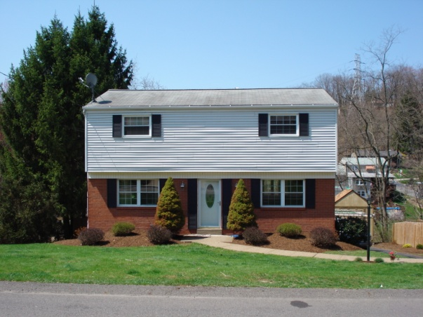
 |  |  | Evaluation Range: $160,000-$165,000

 |  |  | Target Price: $165,000

Matthew McKenna, March 26th 2014

